Sheet6
EC2 | Amazon Elastic Compute Cloud (Amazon EC2)

 | Preconfigured templates for your instances, known as Amazon Machine Images (AMIs)
 | that package the bits you need for your server (including the operating system and additional software)
 | A firewall that enables you to specify the protocols, ports, and source IP ranges that can reach your instances using security groups
 | Static IPv4 addresses for dynamic cloud computing, known as Elastic IP addresses

 | Amazon Elastic Block Store (EBS) is an easy to use, high performance block storage service designed for use with Amazon Elastic Compute Cloud (EC2)

Create a key pair
 | AWS uses public-key cryptography to secure the login information for your instance
 | A Linux instance has no password; you use a key pair to log in to your instance securely
 | if you plan to launch instances in multiple Regions, you'll need to create a key pair in each Region
 | The private key file is automatically downloaded by your browser.
 | The base file name is the name you specified as the name of your key pair, and the file name extension is .pem
Create a security group
 | Security groups act as a firewall for associated instances, controlling both inbound and outbound traffic at the instance level.
 | You must add rules to a security group that enable you to connect to your instance from your IP address using SSH.
 | You can also add rules that allow inbound and outbound HTTP and HTTPS access from anywhere
 | Note that if you plan to launch instances in multiple Regions, you'll need to create a security group in each Region.
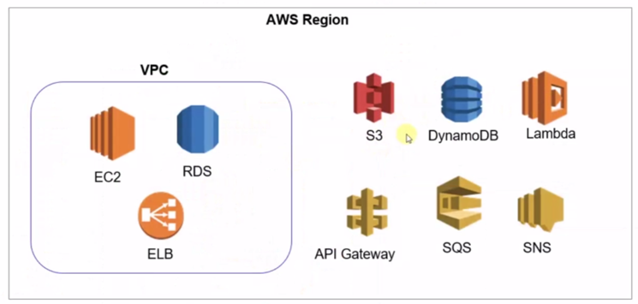

 | VPC
 | VPN

CIDR | Classless interdomain routing
NACL | Network Access Control Lists

ECS | Elastic Container service
 | Container Orchestration
ECR | ECR - Elastic Container Registry

ECS with EC2 | Where the containers need to be hosted
Fargat | ECS with EC2
 | Fargat

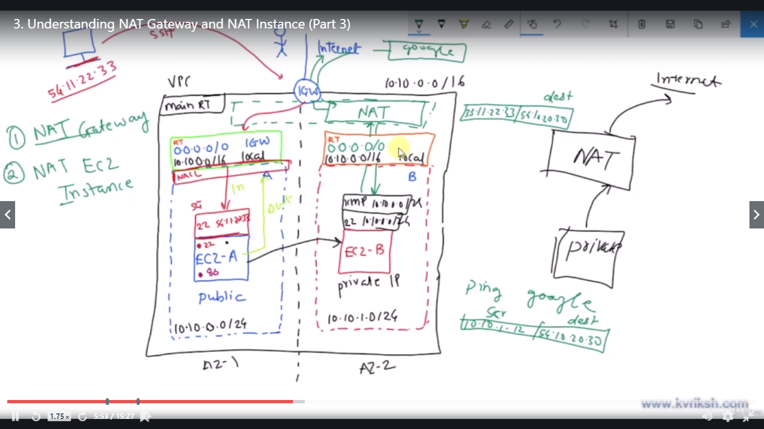
 | ECS (Elastic Contrainer Service) runs the contains in EC2
 | Advantange is : it has good integration with other AWS Services : load balancer , Cloudwatch, logs
 | Challenge in ECS is : Maintenance of the hosts which is :EC2 instances

 | Fargat:
 | No need of maintaining the hots
 | Jus specify the container config details image name, memory, port mapping

Task Definition | Task definitions specify the container information for your application, such as how many containers are part of your task, what resources they will use, how they are linked together, and which host ports they will use

 | Task definitions specify the container information for your application
 | how many containers are part of your task
 | what resources they will use
 | how they are linked together
 | which host ports they will use

Task size
 | CPU
 | Memory

Container | Container name
 | imange name
 | container size (soft , hard memory)
 | port mapping

 | Cluster - collection of instance
 | each container runs in the instances

